Kelly Austin vs RHB

 | Kelly Austin vs RHB

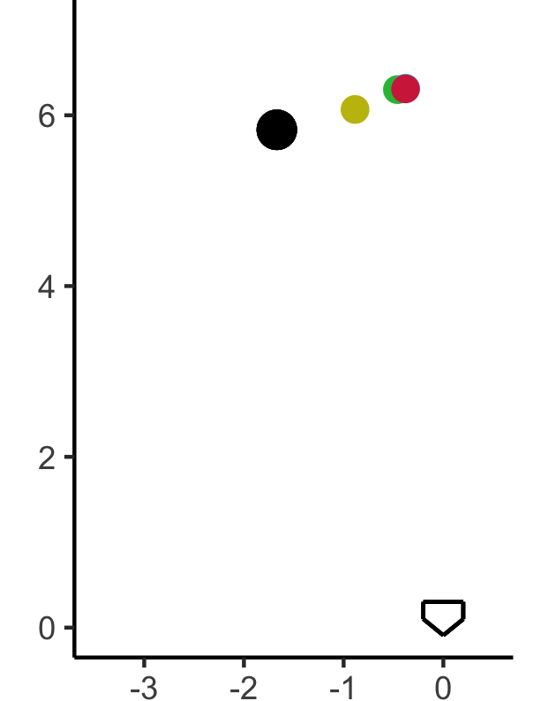
RELEASE |  |  | ARSENAL
 |  |  | PITCH | USE | ZONE | VELO | DESCRIPTION
 |  |  | Fastball | 48 | 45 | 88.9 (87-91)
 |  |  | Slider | 25 | 28 | 82.2 (80-84)
 |  |  | Curveball | 20 | 34 | 78.0 (76-80)
 |  |  | ChangeUp | 7 | 32 | 80.6 (79-82)

NOTES |  |  | LOCATION
 |  | EARLY

 |  | HITTERS

 |  | 2-STRIKE

 |  | FULL

Kelly Austin vs LHB
 | Kelly Austin vs LHB


RELEASE |  |  | ARSENAL
 |  |  | PITCH | USE | ZONE | VELO | DESCRIPTION
 |  |  | Fastball | 43 | 52 | 89.2 (88-91)
 |  |  | Curveball | 28 | 40 | 78.1 (76-80)
 |  |  | ChangeUp | 19 | 45 | 81.3 (80-83)
 |  |  | Slider | 10 | 30 | 82.6 (81-84)

NOTES |  |  | LOCATION
 |  | EARLY

 |  | HITTERS

 |  | 2-STRIKE

 |  | FULL

